Costs from ICoLUPpUA
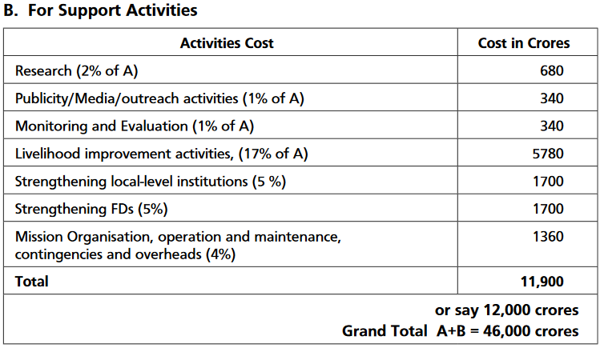
 | policy implementation cost ($ / acre) |  |  | O&M costs for Green India Mission
forest set asides | 0 | O&M % | 0.02
afforestation and reforestation | 1042.77 | (assumed to be half of mission org, O&M,
improved forest management | 186.77 | contingencies and overheads component)
avoid deforestation | 1443.1257988
peatland restoration | 0
forest restoration | 2781.0236748

 |  |  |  | Source: MoEFCC, Annex I - Tentative Mission Costs

